状态转换表
当前状态(现态) |  |  |  |  | 输入信号 |  |  |  |  |  |  | 下一状态（次态） |  |  |  |  | 微指令 | 状态 | 地址
S3 | S2 | S1 | S0 | 现态 10进制 | R_Type | LW | SW | BEQ | BNE | SYSCALL | ADDI | 次态 10进制 | N3 | N2 | N1 | N0 | 取指令 | S0 | 0
0 | 0 | 0 | 0 | 0 |  |  |  |  |  |  |  | 1 | 0 | 0 | 0 | 1 | 译码 | S1 | 1
0 | 0 | 0 | 1 | 1 | 1 |  |  |  |  |  |  | 7 | 0 | 1 | 1 | 1 | LW1 | S2 | 2
0 | 0 | 0 | 1 | 1 |  | 1 |  |  |  |  |  | 2 | 0 | 0 | 1 | 0 | LW2 | S3 | 3
0 | 0 | 0 | 1 | 1 |  |  | 1 |  |  |  |  | 5 | 0 | 1 | 0 | 1 | LW3 | S4 | 4
0 | 0 | 0 | 1 | 1 |  |  |  | 1 |  |  |  | 9 | 1 | 0 | 0 | 1 | SW1 | S5 | 5
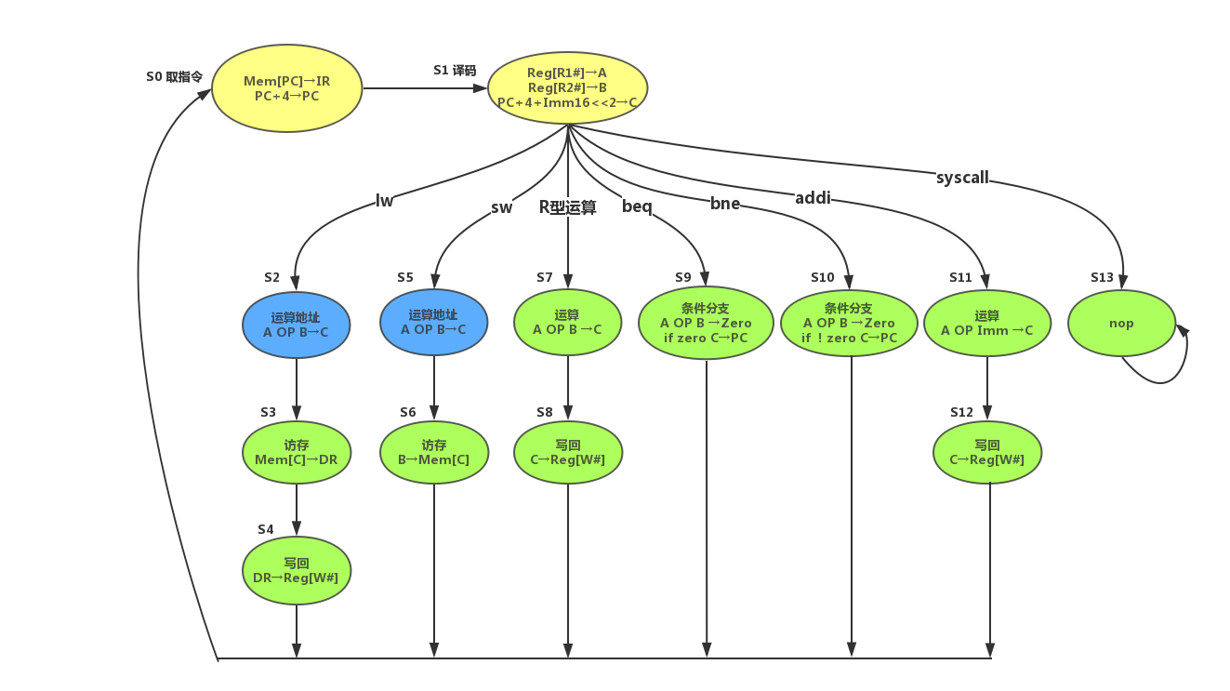
0 | 0 | 0 | 1 | 1 |  |  |  |  | 1 |  |  | 10 | 1 | 0 | 1 | 0 | SW2 | S6 | 6
0 | 0 | 0 | 1 | 1 |  |  |  |  |  | 1 |  | 13 | 1 | 1 | 0 | 1 | R型运算1 | S7 | 7
0 | 0 | 0 | 1 | 1 |  |  |  |  |  |  | 1 | 11 | 1 | 0 | 1 | 1 | R型运算2 | S8 | 8
0 | 0 | 1 | 0 | 2 |  |  |  |  |  |  |  | 3 | 0 | 0 | 1 | 1 | Beq | S9 | 9
0 | 0 | 1 | 1 | 3 |  |  |  |  |  |  |  | 4 | 0 | 1 | 0 | 0 | Bne | S10 | 10
0 | 1 | 0 | 0 | 4 |  |  |  |  |  |  |  | 0 | 0 | 0 | 0 | 0 | ADDI1 | S11 | 11
0 | 1 | 0 | 1 | 5 |  |  |  |  |  |  |  | 6 | 0 | 1 | 1 | 0 | ADDI2 | S12 | 12
0 | 1 | 1 | 0 | 6 |  |  |  |  |  |  |  | 0 | 0 | 0 | 0 | 0 | SYSCALL | S13 | 13
0 | 1 | 1 | 1 | 7 |  |  |  |  |  |  |  | 8 | 1 | 0 | 0 | 0
1 | 0 | 0 | 0 | 8 |  |  |  |  |  |  |  | 0 | 0 | 0 | 0 | 0 | 微程序地址供参考
1 | 0 | 0 | 1 | 9 |  |  |  |  |  |  |  | 0 | 0 | 0 | 0 | 0
1 | 0 | 1 | 0 | 10 |  |  |  |  |  |  |  | 0 | 0 | 0 | 0 | 0
1 | 0 | 1 | 1 | 11 |  |  |  |  |  |  |  | 12 | 1 | 1 | 0 | 0
1 | 1 | 0 | 0 | 12 |  |  |  |  |  |  |  | 0 | 0 | 0 | 0 | 0
1 | 1 | 0 | 1 | 13 |  |  |  |  |  |  |  | 13 | 1 | 1 | 0 | 1

 |  |  |  |  | 只填0或1，无关项不填 |  |  |  |  |  |  | 104

